Exonic Enhancers
Supplementary file 5
Exonic Enhancers (ESEs)
Cluster 1
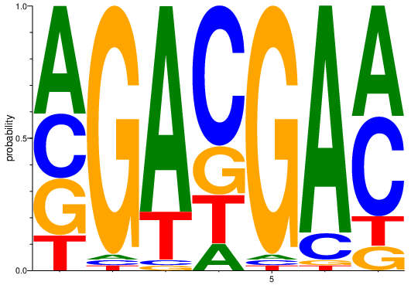
A | C | G | T
0.69 | -0.029 | -0.212 | -0.88
-3.585 | -3.585 | 1.907 | -3.585
1.624 | -3.585 | -3.585 | -0.415
-1.263 | 1.059 | -0.415 | -0.415
-3.585 | -3.585 | 1.907 | -3.585
1.773 | -1.263 | -3.585 | -3.585
0.746 | 0.569 | -1.346 | -1.163

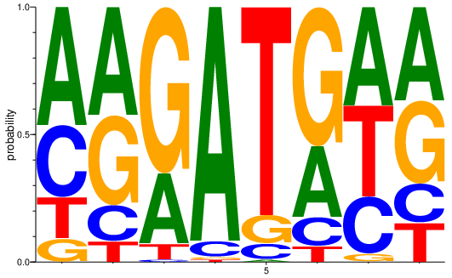
Cluster 2
A | C | G | T
0.881 | 0.174 | -1.424 | -0.606
0.763 | -0.815 | 0.492 | -1.606
0.144 | -4.248 | 1.367 | -1.926
1.861 | -1.926 | -4.248 | -4.248
-4.248 | -1.926 | -1.078 | 1.683
0.144 | -1.078 | 1.11 | -1.926
0.628 | -0.164 | -2.644 | 0.488
0.557 | -0.668 | 0.356 | -0.692

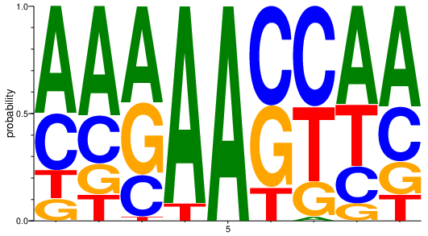
Cluster 3
A | C | G | T
0.994 | 0.091 | -1.306 | -0.891
1.014 | -0.156 | -0.795 | -0.981
0.819 | -0.349 | 0.412 | -3.059
1.845 | -4.755 | -4.755 | -1.585
1.959 | -4.755 | -4.755 | -4.755
-4.755 | 0.86 | 0.603 | -0.667
-3.095 | 0.888 | -0.624 | 0.469
0.873 | -0.538 | -1.492 | 0.169
0.902 | 0.011 | -0.674 | -1.006

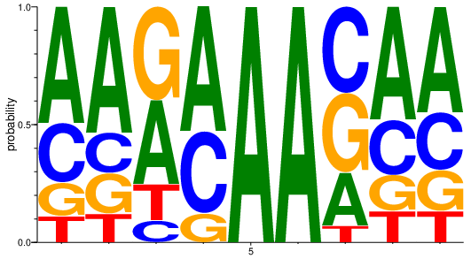
Cluster 4
A | C | G | T
0.981 | 0.002 | -0.832 | -1.11
1.088 | -0.521 | -0.528 | -1.047
0.507 | -1.468 | 0.668 | -0.669
1.07 | 0.465 | -1 | -5.644
1.978 | -5.644 | -5.644 | -5.644
1.978 | -5.644 | -5.644 | -5.644
-0.143 | 0.537 | 0.429 | -1.752
0.922 | -0.065 | -0.735 | -0.868
0.838 | -0.047 | -0.518 | -0.874

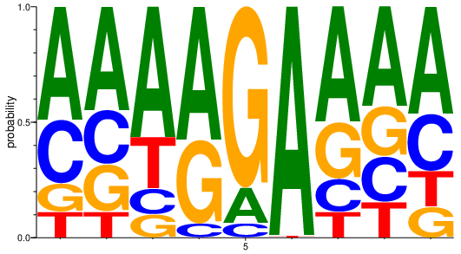
Cluster 5
A | C | G | T
0.961 | 0.155 | -1.057 | -1.123
0.824 | -0.1 | -0.252 | -1.128
1.167 | -1.102 | -1.3 | -0.181
1.2 | -2 | 0.527 | -6.392
-0.664 | -2 | 1.636 | -6.392
1.97 | -6.392 | -6.392 | -4.07
0.985 | -0.791 | -0.052 | -1.063
0.779 | -0.366 | -0.188 | -0.667
0.868 | -0.01 | -0.839 | -0.683

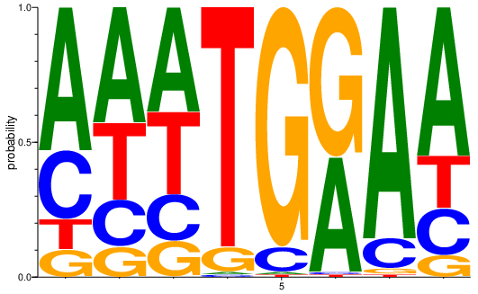
Cluster 6
A | C | G | T
1.07 | 0.031 | -1.28 | -1.1
0.763 | -0.504 | -1.069 | 0.166
0.624 | -0.497 | -0.885 | 0.273
-4.585 | -4.585 | -1.415 | 1.824
-4.585 | -1.415 | 1.824 | -4.585
0.773 | -4.585 | 1.143 | -4.585
1.754 | -1.094 | -3.421 | -3.943
1.114 | -0.481 | -1.549 | -0.365

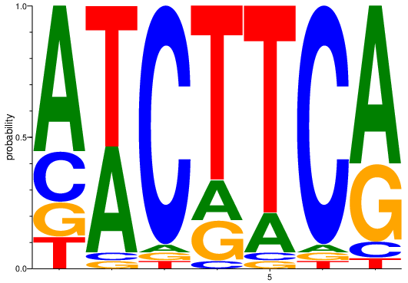
Cluster 7
A | C | G | T
1.144 | -0.396 | -0.93 | -0.986
0.7 | -3 | -3 | 1.087
-3 | 1.858 | -3 | -3
-0.678 | -3 | -0.678 | 1.392
-0.678 | -3 | -3 | 1.644
-3 | 1.858 | -3 | -3
1.251 | -1.862 | 0.22 | -2.474

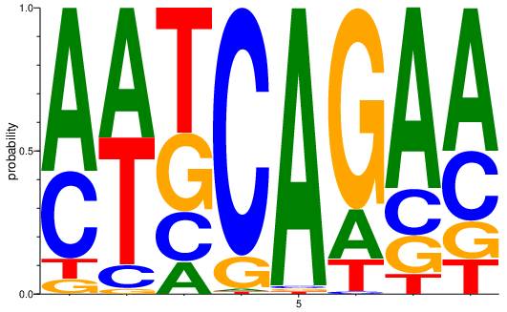
Cluster 8
A | C | G | T
1.188 | 0.283 | -2.191 | -1.804
0.873 | -1.634 | -3.57 | 0.817
-1.078 | -0.547 | 0.144 | 0.796
-4.248 | 1.774 | -1.078 | -4.248
1.942 | -4.248 | -4.248 | -4.248
-0.547 | -4.248 | 1.48 | -1.078
1.312 | -0.597 | -0.864 | -1.702
0.997 | -0.046 | -0.886 | -1.015

Exonic Silencers
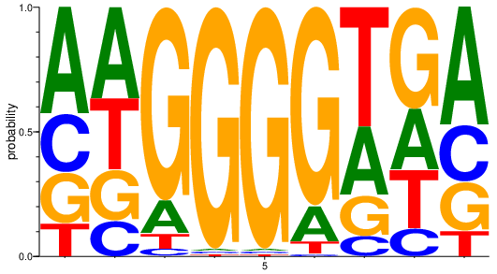
Exonic Silencers (ESSs)
Cluster 1
A | C | G | T
0.762 | -0.109 | -0.258 | -0.887
0.557 | -0.754 | -0.3 | 0.168
-0.85 | -2.919 | 1.612 | -1.968
-4.524 | -4.524 | 1.952 | -4.524
-4.524 | -4.524 | 1.952 | -4.524
-0.823 | -4.524 | 1.666 | -2.202
0.143 | -1.56 | -0.568 | 0.912
-0.013 | -1.118 | 0.695 | -0.107
0.904 | -0.134 | -0.36 | -1.19

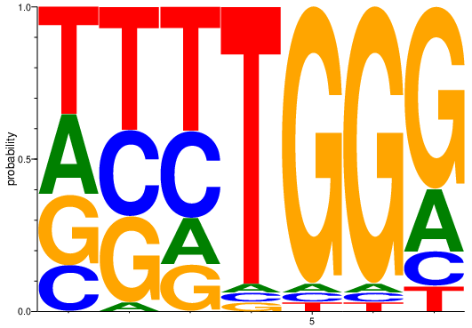
Cluster 2
A | C | G | T
0.057 | -0.678 | -0.112 | 0.496
-3 | 0.17 | 0.17 | 0.7
-0.678 | 0.17 | -0.678 | 0.7
-3 | -3 | -3 | 1.858
-3 | -3 | 1.858 | -3
-3 | -3 | 1.858 | -3
-0.26 | -1.105 | 1.23 | -1.494

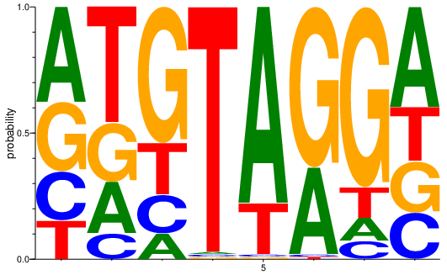
Cluster 3
A | C | G | T
0.569 | -0.336 | 0.134 | -0.674
-0.288 | -1.21 | -0.12 | 0.871
-1.222 | -0.692 | 1.1 | -0.305
-4.392 | -4.392 | -4.392 | 1.948
1.63 | -4.392 | -4.392 | -0.305
0.466 | -4.392 | 1.336 | -4.392
-1.407 | -1.788 | 1.495 | -0.959
0.661 | -0.403 | -0.295 | -0.239

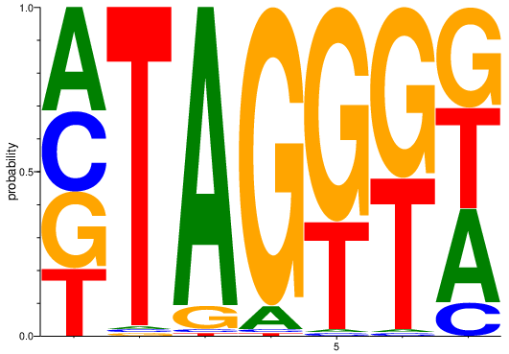
Cluster 4
A | C | G | T
0.319 | -0.004 | -0.105 | -0.278
-4 | -4 | -4 | 1.931
1.833 | -4 | -1.678 | -4
-1.678 | -4 | 1.833 | -4
-4 | -4 | 1.358 | 0.392
-4 | -4 | 1.044 | 0.858
0.176 | -1.243 | 0.296 | 0.287

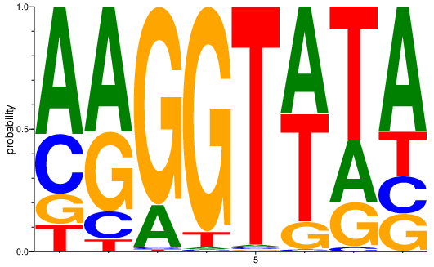
Cluster 5
A | C | G | T
1.055 | -0.04 | -1.034 | -1.117
1.011 | -1.124 | 0.382 | -2.164
-0.547 | -4.248 | 1.683 | -4.248
-4.248 | -4.248 | 1.861 | -1.926
-4.248 | -4.248 | -4.248 | 1.942
0.796 | -4.248 | -1.078 | 0.796
0.003 | -3.277 | -0.47 | 1.119
1.018 | -0.673 | -0.722 | -0.432

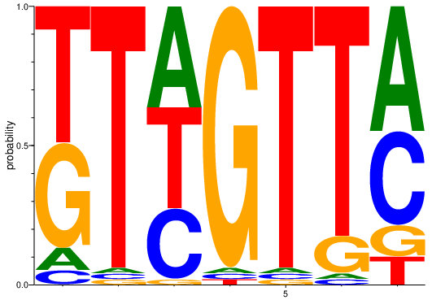
Cluster 6
A | C | G | T
-1.624 | -2.141 | 0.579 | 0.968
-3.17 | -3.17 | -3.17 | 1.874
0.531 | 0 | -3.17 | 0.531
-3.17 | -3.17 | 1.874 | -3.17
-3.17 | -3.17 | -3.17 | 1.874
-3.17 | -3.17 | -0.848 | 1.688
0.826 | 0.429 | -1.1 | -1.275

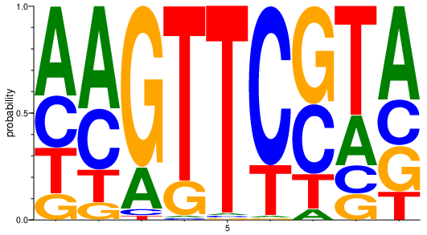
Cluster 7
A | C | G | T
0.748 | -0.055 | -0.992 | -0.227
0.932 | 0.189 | -1.52 | -0.73
-0.364 | -2.779 | 1.574 | -3.322
-3.807 | -3.807 | -0.637 | 1.684
-3.807 | -3.807 | -3.807 | 1.921
-3.807 | 1.55 | -3.807 | -0.107
-2.166 | 0.375 | 0.853 | -0.569
-0.102 | -0.897 | -0.943 | 1.008
0.801 | -0.232 | -0.189 | -0.92

Intronic Enhancers
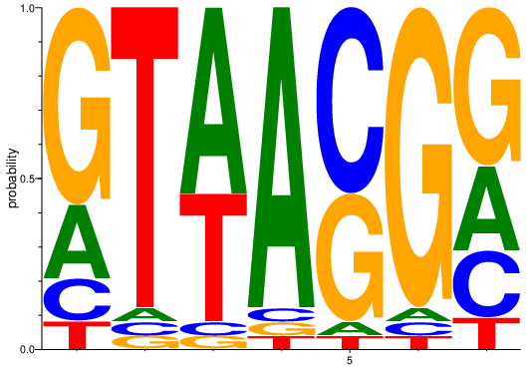
Intronic Enhancers (ISEs)
Cluster 1
A | C | G | T
-0.206 | -1 | 1.189 | -1.501
-2.585 | -2.585 | -2.585 | 1.807
1.115 | -2.585 | -2.585 | 0.585
1.807 | -2.585 | -2.585 | -2.585
-2.585 | 1.115 | 0.585 | -2.585
-2.585 | -2.585 | 1.807 | -2.585
-0.019 | -0.371 | 0.88 | -1.322

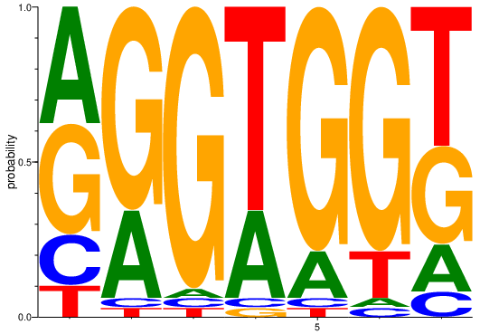
Cluster 2
A | C | G | T
0.575 | -0.589 | 0.501 | -1.218
0.17 | -3 | 1.392 | -3
-3 | -3 | 1.858 | -3
0.17 | -3 | -3 | 1.392
-0.678 | -3 | 1.644 | -3
-3 | -3 | 1.644 | -0.678
-0.725 | -1.494 | 0.328 | 0.836

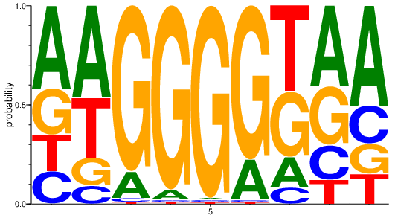
Cluster 3
A | C | G | T
0.745 | -0.64 | -0.07 | -0.455
0.889 | -1.459 | -0.779 | 0.265
-0.943 | -3.281 | 1.726 | -3.866
-2.07 | -4.392 | 1.874 | -4.392
-4.392 | -4.392 | 1.948 | -4.392
-0.305 | -4.392 | 1.63 | -4.392
-0.67 | -1.505 | 0.401 | 0.765
0.699 | -0.513 | 0.219 | -0.965
1.001 | -0.371 | -0.679 | -0.737

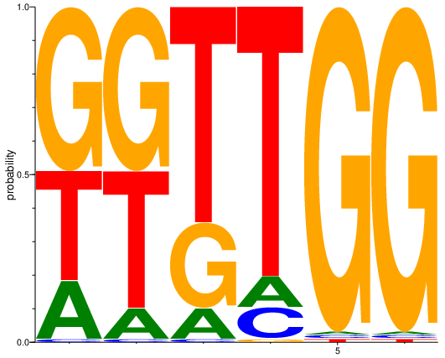
Cluster 4
A | C | G | T
-0.531 | -3.7 | 0.943 | 0.387
-1.379 | -3.7 | 0.943 | 0.692
-1.379 | -3.7 | 0 | 1.344
-1.379 | -1.379 | -3.7 | 1.657
-3.7 | -3.7 | 1.914 | -3.7
-3.7 | -3.7 | 1.914 | -3.7

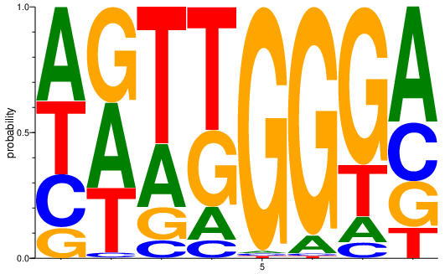
Cluster 5
A | C | G | T
0.57 | -0.252 | -0.983 | 0.226
0.441 | -3.059 | 0.579 | 0.04
0 | -1.766 | -0.918 | 1.122
-0.918 | -1.766 | 0.305 | 0.957
-4.087 | -4.087 | 1.935 | -4.087
-1.766 | -4.087 | 1.843 | -4.087
-1.297 | -1.837 | 1.31 | -0.264
0.857 | -0.098 | -0.423 | -0.976

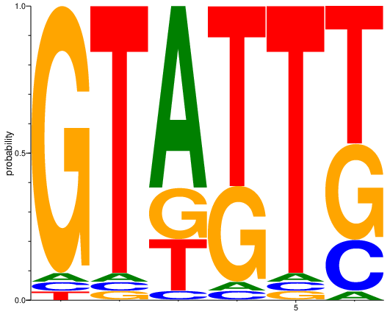
Cluster 6
A | C | G | T
-2.807 | -2.807 | 1.837 | -2.807
-2.807 | -2.807 | -2.807 | 1.837
1.28 | -2.807 | -0.485 | -0.485
-2.807 | -2.807 | 0.363 | 1.28
-2.807 | -2.807 | -2.807 | 1.837
-2.807 | -0.485 | 0.363 | 0.893

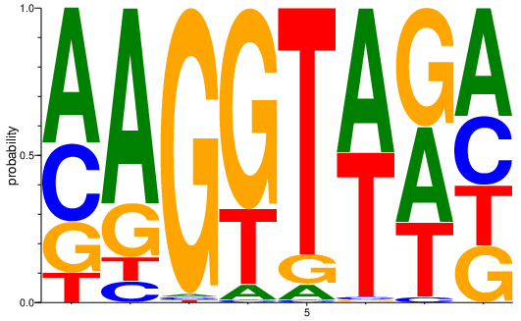
Cluster 7
A | C | G | T
0.868 | 0.088 | -0.528 | -1.255
1.386 | -1.788 | -0.414 | -1.528
-4.392 | -4.392 | 1.948 | -4.392
-2.07 | -4.392 | 1.441 | 0
-2.07 | -4.392 | -1.222 | 1.716
0.965 | -4.392 | -4.392 | 0.965
0.363 | -3.451 | 0.68 | 0.03
0.532 | -0.097 | -0.329 | -0.281

Intronic Silencers
Intronic Silencers (ISSs)
Cluster 1
A | C | G | T
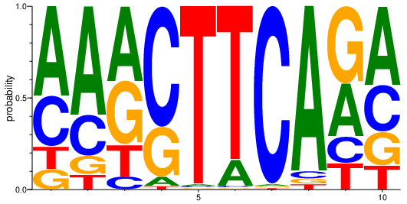
0.952 | 0.124 | -1.097 | -0.979
1.22 | -0.164 | -1.243 | -1.494
0.685 | -1.678 | 0.483 | -0.551
-2.304 | 1.388 | 0.111 | -3.322
-4 | -4 | -4 | 1.931
-0.83 | -4 | -4 | 1.728
-4 | 1.931 | -4 | -4
1.836 | -2.599 | -2.862 | -2.971
0.211 | -0.786 | 0.738 | -0.749
0.755 | 0.053 | -0.439 | -0.896

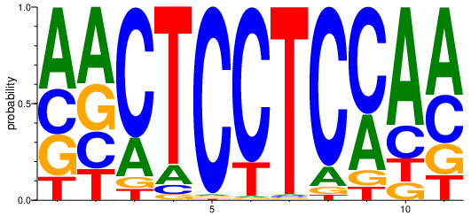
Cluster 2
A | C | G | T
0.746 | -0.068 | -0.21 | -0.987
0.67 | -0.361 | -0.045 | -0.596
-0.284 | 1.427 | -2.041 | -2.022
-1.205 | -2.278 | -2.759 | 1.684
-3.7 | 1.914 | -3.7 | -3.7
-3.7 | 1.657 | -3.7 | -0.531
-3.7 | -3.7 | -3.7 | 1.914
-1.289 | 1.71 | -2.616 | -2.672
0.203 | 1.138 | -1.563 | -1.686
1.283 | -0.511 | -1.449 | -1.004
0.85 | 0 | -0.596 | -0.901

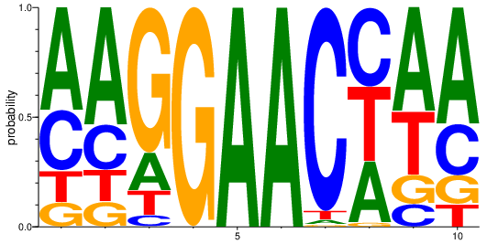
Cluster 3
A | C | G | T
0.893 | 0.131 | -1.118 | -0.767
1.065 | -0.252 | -1.08 | -0.75
-0.507 | -2.216 | 1.392 | -1.131
-4.858 | -4.858 | 1.962 | -4.858
1.962 | -4.858 | -4.858 | -4.858
1.962 | -4.858 | -4.858 | -4.858
-3.254 | 1.87 | -4.216 | -2.436
0.16 | 0.523 | -3.273 | 0.424
0.91 | -1.189 | -0.921 | 0.207
1.074 | -0.101 | -0.844 | -1.302

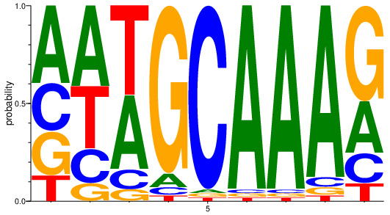
Cluster 4
A | C | G | T
0.667 | -0.041 | -0.127 | -0.932
0.703 | -0.498 | -1.351 | 0.347
0.596 | -1.238 | -1.989 | 0.858
-1.718 | -2.506 | 1.754 | -2.756
-3.322 | 1.888 | -3.322 | -3.322
1.888 | -3.322 | -3.322 | -3.322
1.888 | -3.322 | -3.322 | -3.322
1.789 | -2.293 | -2.474 | -2.644
0.111 | -0.662 | 0.944 | -1.458

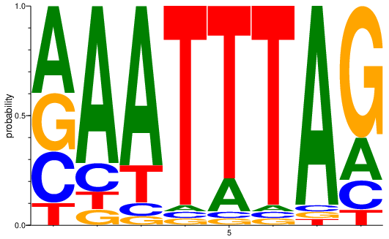
Cluster 5
A | C | G | T
0.669 | -0.12 | 0.091 | -1.234
1.506 | -0.916 | -1.761 | -1.578
1.541 | -2.059 | -2.556 | -0.556
-3 | -3 | -3 | 1.858
-0.678 | -3 | -3 | 1.644
-3 | -3 | -3 | 1.858
1.858 | -3 | -3 | -3
-0.349 | -0.889 | 1.239 | -1.667

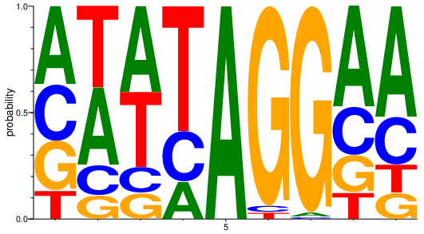
Cluster 6
A | C | G | T
0.544 | 0.089 | -0.097 | -0.881
0.537 | -0.822 | -1.133 | 0.611
0.704 | -1.042 | -1.042 | 0.485
-0.485 | -0.085 | -5.129 | 1.211
1.969 | -5.129 | -5.129 | -5.129
-5.129 | -2.807 | 1.882 | -2.807
-3.433 | -4.188 | 1.931 | -4.644
0.907 | -0.155 | -0.492 | -0.956
1.041 | -0.149 | -0.95 | -0.934

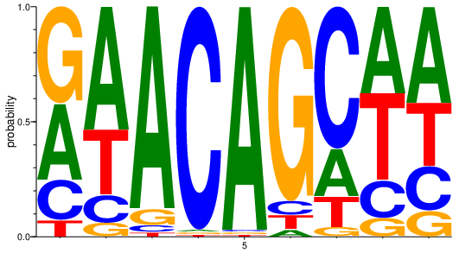
Cluster 7
A | C | G | T
0.384 | -0.485 | 0.739 | -1.679
1.087 | -1.042 | -2.014 | 0.193
1.799 | -2.846 | -1.817 | -3.364
-4.392 | 1.948 | -4.392 | -4.392
1.948 | -4.392 | -4.392 | -4.392
-2.788 | -1.846 | 1.726 | -1.897
-0.255 | 1.277 | -2.322 | -0.892
0.582 | -0.56 | -1.618 | 0.584
0.734 | -0.367 | -1.117 | 0.139

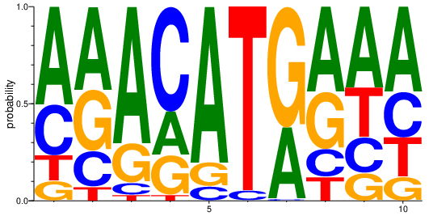
Cluster 8
A | C | G | T
1.004 | 0.074 | -1.298 | -0.901
0.778 | -0.439 | 0.321 | -1.744
1.483 | -2.03 | -0.291 | -2.821
-0.136 | 1.087 | -0.273 | -2.852
1.654 | -1.657 | -0.965 | -5.358
-5.358 | -2.188 | -5.358 | 1.9
0.531 | -4.358 | 1.305 | -4.792
0.814 | -0.78 | 0.226 | -1.03
0.737 | -0.415 | -0.785 | 0.004
0.783 | -0.071 | -1.007 | -0.27

